Objective, Main Changes
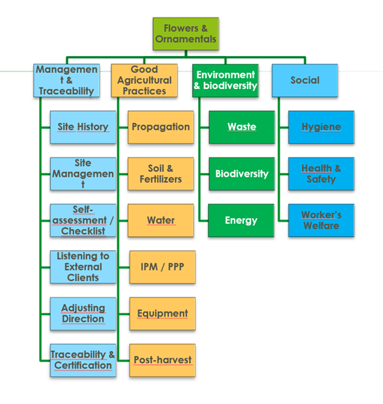
1. Objective of the Revision

• | Simplify the standard, assessing relevance of some criteria to FO
• | Identify sustainability aspects to be strengthened
• | Assess a complementary data driven approach
• | Understand criteria which might be difficult to comply with, assess alternative approaches
• | Collect feedback both on IFA FO standard and on the general regulations

This revision is part of the overall revision of the GLOBALG.A.P. family of standards, which is intended to be outcome based, data driven, leaner, producer friendly, addressing market requirements.

2. Main Changes

Change in Structure:
1. | The three modules of v5.2 are brought together into a stand-alone document specifically intended to the flowers and ornamentals sector.
2. | Before: three modules, All Farm Base (AF): which was shared with all types of farms, whether Fruit and Vegetables (FV) or Aquaculture (AQ), or Crops Base (CB) shared with farms producing other crops, and then Flowers and Ornamentals (FO) specific to flowers and ornamentals.
3. | Now: one stand-alone document organized in four sections: a) management and traceability, b) good agricultural practices, c) environment, and d) workers’ health and safety, hygiene and welfare.

Purpose of change in structure:
A leaner document, grouping together control points on the same environmental aspect, e.g., water, which were previously on different modules.

Specific to Flowers and Ornamentals
1. | Control points applicable to food safety and not applicable to flowers and ornamentals are not included.
2. | References to food safety are left out.
3. | Control points which are key to food safety but less of a priority in FO are lowered in their level of requirement, e.g., non-conforming products, recalls/withdrawals, water testing for water used in harvest.
4. | Requiring traceability with segregation, considered key in food safety, is deleted as requirement for FO, keeping traceability with identification.
5. | Looking at an aspect more from the perspective of the environment or workers’ health & safety than from that of food safety, e.g., organic waste risk assessment, risk assessment of the production site, not restricting the use of treated human sewage sludge.

Strengthen environmental criteria

1. | Level of requirement is raised for control points which are relevant to protect environmental aspects considered key, such as:
 | a. surface or underground water sources, by promoting rainwater collection and storage,
 | b. or soil, by promoting composting organic waste,
 | c. or substrates of natural origin, by demonstrating it does not come from protected areas,
 | d. or enhancing biodiversity in unproductive areas.
2. | Introduction of new control points in integrated pest management – IPM, aiming to promote continuous learning at farm level, acknowledging that IPM is knowledge intensive and requires management involvement in order to ensure that IPM learning keeps improving and translating into better practices. This helps to optimize the use of plant protection products and to handle environmental and workers’ health and safety risks better.
3. | Introduction of two new control points on invasive alien species (level Recom.) as the flowers and ornamentals sector needs to be careful with this environmental (and economical) aspect.
4. | Delete control points on customer requirements which are apparently not common practice in trade, such as customer agreements on varieties chosen.
5. | Specifying in control points on customer requirements, aspects which are more relevant to trade today, such as requirements on chemicals used.
6. | Introduction of new control points in aspects considered key for the environment and for workers’ health and safety.

Purpose of strengthening environmental criteria:
A standard that is more meaningful for FO stakeholders whose concerns in relation to the environment have increased.

Outcome based – Data driven FO

1. | Raising to Major Must, the level of requirement of control points which refer to records of inputs used:
 | a. Use of PPP in nurseries where plant propagation material is being grown
 | b. Use of soil fumigants
 | c. Use of chemical sterilization of substrates
 | d. Use of PPP in post-harvest
 | e. Applications of PPP
 | f. Recording of energy used
 | g. Recording of water used in irrigation
 | h. Knowledge of NPK content of fertilizer used
 | i. Amounts of fertilizer used
2. | Introduction of control points to record inputs used:
 | a. Records of water abstracted from sources
 | b. Records of total water used at farm level (irrigation plus other uses)
 | c. Ratio of fertilizers to be applied to those actually applied (efficiency of application)

Graph 1. Structure for V6 Flowers and Ornamentals

